Project3711
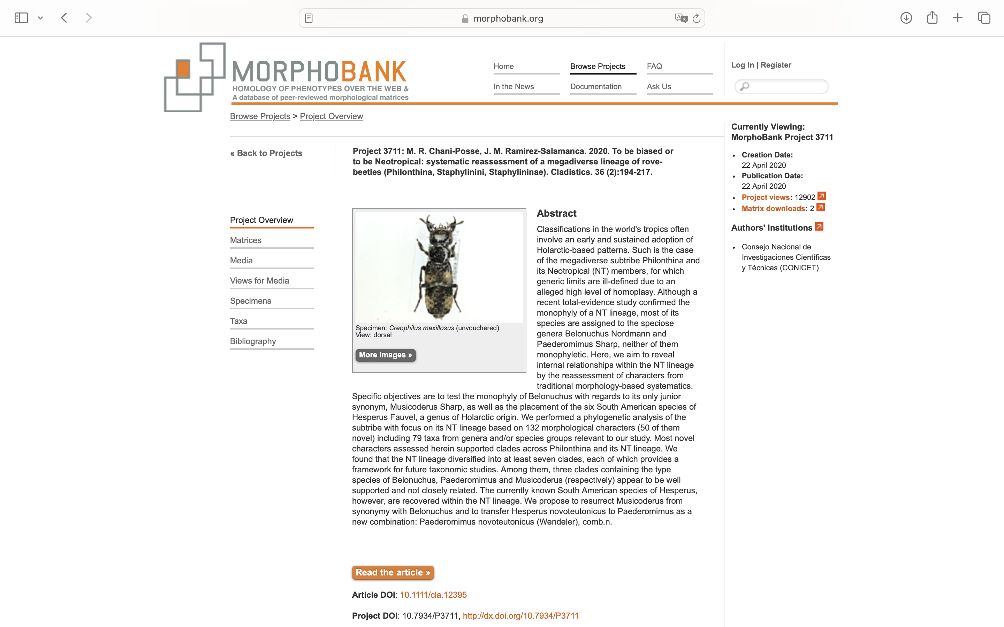
Charlabels | Character Pattern | Unseen States
[1] '* Head and pronotum, spine-like setae:' | Neomorphic | NO
[2] 'Antennal insertions (ai), position in relation to frontoclypeus and eye:' | Transformational | YES
[3] '* Sexual dimorphism, antennal insertions, distance between each other in relation to eye (ai-ai/ai-e):' | Neomorphic | NO
[4] '* Sexual dimorphism, antennal lenght:' | Neomorphic | NO
[5] '* Sexual dimorphism, antennomere 1, setation:' | Neomorphic | NO
[6] 'Antennae, relative length of antennomere 1 (a1), and antennomeres 2 (a2) and 3 (a3) combined:' | Transformational | NO
[7] 'Antennae, length of antennomeres 3 and 2 ratio (a3/a2):' | Transformational | YES
[8] 'Antennae, antennomere 3, tomentose pubescence:' | Neomorphic | NO
[9] 'Antennnae, antennomere 6, apical long setae:' | Neomorphic | NO
[10] '* Sexual dimorphism, head, punctation, dorsal view:' | Neomorphic | NO
[11] '* Sexual dimorphism, head, punctation, ventral view:' | Neomorphic | NO
[12] '* Sexual dimorphism, head, setation, ventral view:' | Neomorphic | NO
[13] '* Sexual dimorphism, head, width:' | Neomorphic | NO
[14] '* Sexual dimorphism, frontoclypeus, emargination:' | Neomorphic | NO
[15] 'Head, neck constriction:' | NT?;0=11;1=12;2=0-
[16] 'Head, dorsal basal ridge:' | Neomorphic | NO
[17] 'Head, ventral basal ridge (vbr), development:' | Transformational | YES
[18] 'Head, postgenal ridge:' | Neomorphic | NO
[19] 'Head, postgenal ridge (pgr) relative to ventral basal ridge (vbr), development:' | Transformational | YES
[20] 'Head, postmandibular ridge:' | Neomorphic | NO
[21] 'Head, postmandibular ridge (pmr) relative to mandibular base (mb):' | NT?;0=11;1=12;2=0-
[22] 'Head, postmandibular sulcus:' | Neomorphic | NO
[23] 'Head, infraorbital ridge:' | Neomorphic | NO
[24] 'Head, infraorbital ridge (ior), development (sensu Smetana, see Chani-Posse 2014):' | Transformational | YES
[25] 'Head, ligula, shape:' | Transformational | YES
[26] 'Head, mandibles, dorso-lateral groove:' | Neomorphic | NO
[27] 'Labial palpus, relative length of palpomeres 3 (p3, apical) and 2 (p2, preapical) (p3/p2):' | Transformational | NO
[28] '* Labial palpomere 2 (when p3 distinctly shorter than p2), setae:' | Transformational | YES
[29] '* Labial palpomere 2, shape:' | Transformational | YES
[30] '* Sexual dimorphism, labial palpomere 2-3:' | Neomorphic | NO
[31] '*Maxillary palpus, relative length of palpomeres 4 (p4, apical) and 2 (p2) (p4/p2):' | Transformational | NO
[32] '* Sexual dimorphism, maxillary palpomere 3:' | Neomorphic | NO
[33] 'Maxillary palpus, palpomere 4 (apical), shape:' | Transformational | YES
[34] 'Gular sutures (gs), development:' | Transformational | NO
[35] 'Gular sutures (gs), if not joined before neck, degree of separation:' | Transformational | YES
[36] 'Male gular sutures, if joined before neck, joining point:' | Transformational | YES
[37] '* Sexual dimorphism, gular sutures, if joined before neck, joining point:' | Neomorphic | NO
[38] 'Hypostomal cavity (hc):' | Neomorphic | NO
[39] 'Hypostomal cavity (hc), if present:' | Transformational | YES
[40] 'Prothorax, anterior angles (aap) relative to anterior margin of prosternum (amp):' | Transformational | YES
[41] '* Prothorax, pronotum, deflection (in ventral view):' | Neomorphic | NO
[42] '* Prothorax, pronotum, if deflected (in ventral view):' | Transformational | NO
[43] 'Prothorax, large lateral setiferous puncture (llsp), position in relation to superior marginal line of pronotum (smlp):' | Transformational | YES
[44] '* Prothorax, prosternum, sternacostal ridge:' | Neomorphic | NO
[45] '* Prothorax, prosternum, sternacostal ridge (when present):' | Transformational | NO
[46] 'Prothorax, basisternum (bs), length relative to length of furcasternum (fs) (bs/fs, measured laterally):' | Transformational | YES
[47] 'Prothorax, prosternum, transverse carina on basisternum:' | Neomorphic | NO
[48] 'Prothorax, prosternum, transverse carina on basisternum (tc), development (when present):' | Transformational | YES
[49] '* Prothorax, prosternum,basisternum, microsculpture (when transverse carina present):' | Transformational | NO
[50] 'Prothorax, prosternum, longitudinal ridge (in ventral view):' | Neomorphic | NO
[51] 'Prosternum, keel:' | Neomorphic | NO
[52] 'Prothorax, hypomeron, superior marginal line, deflection under anterior angles (ventral view):' | Neomorphic | NO
[53] 'Prothorax, hypomeron, inferior marginal line (iml), development:' | Transformational | YES
[54] 'Prothorax, degree of fusion of pronotum (pnt) and prosternum (pst):' | Transformational | YES
[55] 'Prothorax, prosternum, basisternum, pair of macrosetae:' | Neomorphic | NO
[56] 'Prothorax, prosternum, basisternum, position of pair of macrosetae (ms, if present) in relation to anterior margin of prosternum (amp) and the sternacostal suture (ss):' | Transformational | NO
[57] 'Mesothorax, mesoscutellum, posterior scutellar ridge:' | Neomorphic | NO
[58] 'Mesothorax, elytron, humeral spines or spine-like setae:' | Neomorphic | NO
[59] 'Sternopleural (anapleural) suture:' | Transformational | YES
[60] 'Sternopleural (anapleural) sutures (sps), their position with respect to anterior margin of mesoventrite (amm), if oblique:' | Transformational | NO
[61] 'Mesothorax, mesoventral cross-like ridge ridge:' | Neomorphic | NO
[62] '* Mesothorax, mesoventral longitudinal ridge:' | Neomorphic | NO
[63] 'Mesothorax, mesoventral posterior half of prepectus, ridge connecting coxal cavities:' | Neomorphic | NO
[64] 'Mesothorax, intercoxal process, apex:' | Transformational | YES
[65] 'Profemora, lateroventral medial spines (posterior row):' | Neomorphic | NO
[66] '* Sexual dimorphism, profemora, lateroventral apical spine/s (anterior row, when present)' | Neomorphic | NO
[67] 'Profemora, lateroventral medial spines (anterior row):' | Neomorphic | NO
[68] '* Profemora, chaetotaxy:' | Transformational | YES
[69] '* Profemora, chaetotaxy, longitudinal patch of dense setae lateroventrally:' | Neomorphic | NO
[70] '* Sexual dimorphism, profemora, shape:' | Neomorphic | NO
[71] 'Protibiae, shape:' | Transformational | YES
[72] 'Protibiae, apical excavation:' | Neomorphic | NO
[73] '* Protibiae, apical excavation, spines:' | Neomorphic | NO
[74] '* Protibiae, apical excavation, spines (when present), number:' | Transformational | YES
[75] '* Protibiae, lateroventral spines:' | Neomorphic | NO
[76] '* Protibiae, lateroventral spines, distribution:' | NT?;0=0-;1=11;2=12
[77] '* Protarsi, tarsomeres 2-3, relative width:' | Transformational | NO
[78] '* Male protarsi, tarsomeres 2-3:' | Transformational | YES
[79] '* Protarsomeres 2-3, ventral surface, discal setae:' | Neomorphic | NO
[80] '* Protarsomeres 2-3, ventral surface, discal setae (when present), shaft microsculpture:' | Transformational | YES
[81] '* Protarsomeres 2-3, ventral surface, discal setae (when present), shaft shape:' | Transformational | YES
[82] '* Protarsomeres 2-3, ventral surface, discal setae (when present), terminal plate:' | Neomorphic | NO
[83] '* Protarsomeres 2-3, ventral surface, discal setae (when present), terminal plate shape:' | Transformational | YES
[84] '* Protarsomeres 2-3, ventral surface, marginal setae:' | Neomorphic | NO
[85] '* Protarsomeres 2-3, ventral surface, marginal setae, distribution (when present):' | Transformational | YES
[86] '* Protarsomeres 2-3, ventral surface, marginal setae, distribution (when present and posterior):' | Transformational | YES
[87] '* Protarsomeres 2-3, ventral surface, marginal setae, number at each side (when present and lateral):' | Transformational | YES
[88] '* Protarsomere 5, chaetotaxy:' | Transformational | YES
[89] 'Apical tarsomere, empodial setae:' | Neomorphic | NO
[90] 'Metacoxae, transverse carina:' | Neomorphic | NO
[91] 'Metacoxae, ventral spines:' | Neomorphic | NO
[92] '*Male metatrocanter, spines:' | Neomorphic | NO
[93] '* Male metatrocanter, spines, distribution (when present):' | Transformational | YES
[94] '* Sexual dimorphism, metatrocanter, spines (when present in males):' | Neomorphic | NO
[95] 'Male metafemora, spines:' | Neomorphic | NO
[96] '* Male metafemora, spines, number (when present):' | Transformational | YES
[97] '* Male metafemora, spines, shape (when present):' | Transformational | YES
[98] '* Male metafemora, spines, distribution (when present as "true spines"):' | Transformational | YES
[99] '* Sexual dimorphism, metafemora, spines (when present in males):' | Neomorphic | NO
[100] 'Metatibiae, spines:' | Neomorphic | NO
[101] 'Metatarsi, relative length of tarsomeres 1 (t1) and 5 (t5) (t1/t5):' | Transformational | NO
[102] '* Sexual dimorphism, metarsomere 1 (t1), length:' | Neomorphic | NO
[103] 'Metatarsi, tarsomeres 3-5, dorsal surface, chaetotaxy:' | Transformational | YES
[104] 'Hind wing, venation, veins CuA and MP4:' | Transformational | NO
[105] 'Hind wing, venation, MP3:' | Neomorphic | NO
[106] 'Abdomen, protergal glands, cuticular manifestation:' | Transformational | YES
[107] 'Abdomen, tergites 3 and 4, ABTC, pair of accessory ridges:' | Neomorphic | NO
[108] 'Abdomen, tergum 3, PBTC:' | Neomorphic | NO
[109] 'Abdomen, tergum 5, ABTC, pair of accessory ridges:' | Neomorphic | NO
[110] 'Abdomen, tergum 4, PBTC:' | Neomorphic | NO
[111] 'Abdomen, tergum 5, PBTC:' | Neomorphic | NO
[112] 'Abdomen, tergum 3, curved ridge on disc:' | Neomorphic | NO
[113] 'Abdomen, tergum 4, curved ridge on disc:' | Neomorphic | NO
[114] 'Abdomen, tergum 5, curved ridge on disc:' | Neomorphic | NO
[115] 'Abdomen, sternum 3, basal transverse carina, shape of its lateral area:' | Transformational | YES
[116] 'Abdomen, male sternum 7, patches of setae on disc:' | Neomorphic | NO
[117] 'Male sternum 8, apical margin, distinct medial projection:' | Neomorphic | NO
[118] 'Male sternum 8, apical margin, medial emargination:' | Neomorphic | NO
[119] 'Female sternum 8, apical margin, distinct medial projection:' | Neomorphic | NO
[120] '* Female sternum 8, apical margin, distinct medial projection (when present):' | Transformational | YES
[121] 'Male sternum 9, relative length of basal (bp) and distal (dp) portions (bp/dp):' | Transformational | YES
[122] 'Male sternum 9, distal portion, median emargination:' | Neomorphic | NO
[123] 'Male sternum 9, distal portion, emargination (if distinct):' | Transformational | YES
[124] 'Lateral tergal sclerites 9 (styli), apical straight setae:' | Neomorphic | NO
[125] 'Lateral tergal sclerites 9 (styli), shape:' | Transformational | YES
[126] 'Sexual dimorphism, lateral tergal sclerites 9 (styli) (if dorsoventrally flattened):' | Neomorphic | NO
[127] 'Male tergum 10, shape:' | Transformational | YES
[128] 'Male: aedeagus, parameres, separation:' | Transformational | NO
[129] 'Male: aedeagus, paramere(s), sensory peg setae:' | Neomorphic | NO
[130] 'Male: aedeagus, paramere(s), degree of attachment to median lobe:' | Transformational | YES
[131] 'Male: aedeagus, paramere(s), shape:' | Transformational | YES
[132] 'Ovipositor, each second gonocoxite, number of macrosetae:' | Transformational | YES

